Sheet1
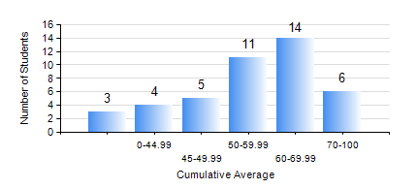
 |  |  | KWAME NKRUMAH UNIVERSITY OF SCIENCE AND TECHNOLOGY, KUMASI Department of Mechanical Engineering

 |  |  | BSC. AUTOMOBILE ENG.

 |  |  | COMPREHENSIVE RECORD OF EXAMINATION RESULTS

 |  |  | RESULTS OF YEAR 1 FIRST SEMESTER, 2022/2023 ACADEMIC YEAR

 | Sn | Course Code |  | Course Name | Credit Hours | Min. Mark | Max. Mark | Avg. Mark | Std. Dev. | No. Passed | No. Trailed | No. (Df) | No. (I) | No. (I*) | No. Tagged(I,I*,Df) | Total
 | 0. |  |  |  |  |  |  | 0 | 0 | 0 | 0 | 0 | 0 | 0 | 0 | 3
 | 1. | AME 167 |  | COMPUTER PROGRAMMING FOR ENGINEERS | 2 | 18 | 87 | 63 | 16.92 | 39 | 1 | 0 | 0 | 0 | 0 | 40
 | 2. | CE 155 |  | ENVIRONMENTAL STUDIES | 2 | 42 | 87 | 66 | 11.5 | 40 | 0 | 0 | 0 | 0 | 0 | 40
 | 3. | EE 151 |  | APPLIED ELECTRICITY | 3 | 20 | 60 | 43 | 8.55 | 34 | 6 | 0 | 0 | 0 | 0 | 40
 | 4. | ENGL 157 |  | COMMUNICATION SKILLS I | 2 | 28 | 77 | 54 | 11.63 | 37 | 3 | 0 | 0 | 0 | 0 | 40
 | 5. | MATH 151 |  | ALGEBRA | 4 | 40 | 96 | 69 | 15.3 | 40 | 0 | 0 | 0 | 0 | 0 | 40
 | 6. | ME 159 |  | TECHNICAL DRAWING | 3 | 40 | 90 | 60 | 13.24 | 40 | 0 | 0 | 0 | 0 | 0 | 40
 | 7. | ME 195 |  | ENGINEERING TECHNOLOGY I | 2 | 40 | 84 | 58 | 12.09 | 40 | 0 | 0 | 0 | 0 | 0 | 40

